Sort by color
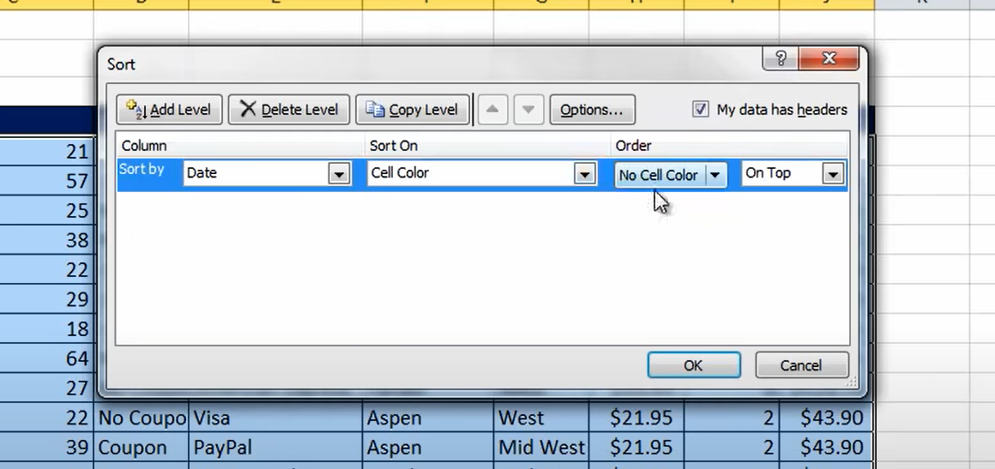
Date | Age | Coupon | Payment Method | Product | Region | Price | Units | Sales
5/22/10 | 21 | Coupon | Mastercard | Carlota | West | $22.95 | 2 | $45.90
6/29/10 | 57 | Coupon | Mastercard | Yanaki | West | $19.95 | 1 | $19.95
11/5/10 | 25 | No Coupon | Mastercard | Aspen | East | $21.95 | 1 | $21.95
8/31/10 | 38 | No Coupon | American Express | Yanaki | West | $19.95 | 1 | $19.95
5/30/10 | 22 | Coupon | Visa | Yanaki | West | $19.95 | 4 | $79.80
10/5/10 | 29 | Coupon | PayPal | Yanaki | South | $19.95 | 4 | $79.80
3/22/10 | 18 | Coupon | Visa | Yanaki | West | $19.95 | 3 | $59.85
6/14/10 | 64 | No Coupon | Discover | Yanaki | West | $19.95 | 7 | $139.65
5/9/10 | 27 | No Coupon | American Express | Yanaki | West | $19.95 | 6 | $119.70
8/28/10 | 22 | No Coupon | Visa | Aspen | West | $21.95 | 2 | $43.90
11/30/10 | 39 | Coupon | PayPal | Aspen | Mid West | $21.95 | 2 | $43.90
9/13/10 | 61 | No Coupon | Mastercard | Yanaki | Mid West | $19.95 | 5 | $99.75
10/23/10 | 18 | No Coupon | Visa | Carlota | Mid West | $22.95 | 5 | $114.75
9/19/10 | 22 | No Coupon | PayPal | Carlota | West | $22.95 | 4 | $91.80
9/20/10 | 52 | No Coupon | American Express | Carlota | Mid West | $22.95 | 5 | $114.75
1/18/10 | 22 | Coupon | Visa | Carlota | West | $22.95 | 1 | $22.95
7/28/10 | 18 | No Coupon | Discover | Sunset | West | $24.95 | 5 | $124.75
6/6/10 | 55 | No Coupon | PayPal | Yanaki | South | $19.95 | 1 | $19.95
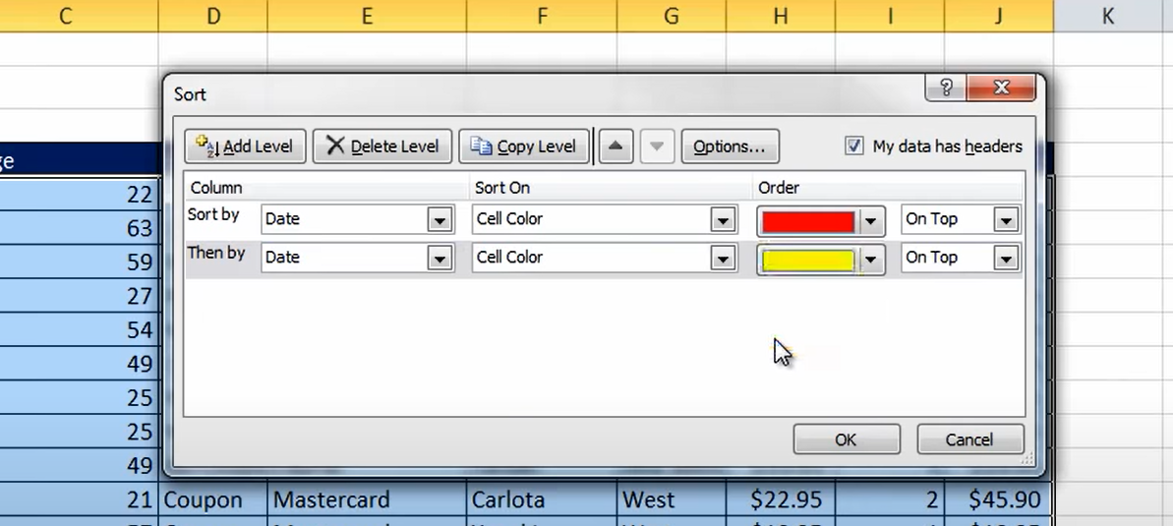
1/30/10 | 20 | No Coupon | PayPal | Aspen | East | $21.95 | 4 | $87.80
10/9/10 | 42 | Coupon | PayPal | Carlota | Mid West | $22.95 | 1 | $22.95
7/4/10 | 30 | No Coupon | PayPal | Delicate Arch | South | $29.95 | 10 | $299.50
11/8/10 | 64 | Coupon | Visa | Yanaki | Mid West | $19.95 | 1 | $19.95
6/9/10 | 63 | Coupon | PayPal | Yanaki | Mid West | $19.95 | 5 | $99.75
3/17/10 | 41 | Coupon | Mastercard | Yanaki | South | $19.95 | 2 | $39.90
4/7/10 | 21 | No Coupon | Visa | Aspen | East | $21.95 | 3 | $65.85
1/5/10 | 63 | No Coupon | PayPal | Sunset | East | $24.95 | 1 | $24.95
7/22/10 | 54 | No Coupon | American Express | Aspen | West | $21.95 | 1 | $21.95
11/12/10 | 18 | No Coupon | American Express | Yanaki | West | $19.95 | 1 | $19.95
5/11/10 | 26 | No Coupon | Discover | Carlota | West | $22.95 | 4 | $91.80
4/14/10 | 59 | No Coupon | PayPal | Aspen | Mid West | $21.95 | 3 | $65.85
8/11/10 | 30 | No Coupon | Discover | Yanaki | West | $19.95 | 2 | $39.90
11/14/10 | 64 | No Coupon | Visa | Aspen | West | $21.95 | 2 | $43.90
1/21/10 | 30 | No Coupon | PayPal | Aspen | West | $21.95 | 3 | $65.85
4/12/10 | 41 | Coupon | American Express | Aspen | West | $21.95 | 2 | $43.90
6/4/10 | 23 | Coupon | Mastercard | Yanaki | South | $19.95 | 5 | $99.75
10/19/10 | 52 | Coupon | Visa | Delicate Arch | West | $29.95 | 1 | $29.95
9/7/10 | 18 | No Coupon | PayPal | Aspen | West | $21.95 | 3 | $65.85
9/19/10 | 32 | No Coupon | PayPal | Carlota | West | $22.95 | 1 | $22.95
1/17/10 | 22 | Coupon | American Express | Yanaki | Mid West | $19.95 | 1 | $19.95
3/15/10 | 29 | Coupon | PayPal | Yanaki | South | $19.95 | 5 | $99.75
12/16/10 | 25 | No Coupon | Mastercard | Bellen | Mid West | $24.95 | 5 | $124.75
7/8/10 | 63 | No Coupon | PayPal | Aspen | West | $21.95 | 1 | $21.95
5/13/10 | 26 | No Coupon | Mastercard | Sunset | Mid West | $24.95 | 7 | $174.65
3/3/10 | 31 | Coupon | Discover | Delicate Arch | West | $29.95 | 1 | $29.95
4/30/10 | 23 | No Coupon | PayPal | Delicate Arch | Mid West | $29.95 | 5 | $149.75
7/11/10 | 42 | Coupon | PayPal | Delicate Arch | Mid West | $29.95 | 1 | $29.95
3/22/10 | 28 | Coupon | Visa | Carlota | East | $22.95 | 2 | $45.90
8/27/10 | 23 | No Coupon | Visa | Carlota | West | $22.95 | 7 | $160.65
11/16/10 | 19 | No Coupon | Mastercard | Carlota | Mid West | $22.95 | 7 | $160.65
1/26/10 | 37 | Coupon | Visa | Yanaki | West | $19.95 | 6 | $119.70
5/6/10 | 38 | No Coupon | Mastercard | Aspen | East | $21.95 | 2 | $43.90
3/18/10 | 50 | Coupon | Mastercard | Yanaki | Mid West | $19.95 | 6 | $119.70
4/16/10 | 26 | No Coupon | Discover | Aspen | West | $21.95 | 3 | $65.85
1/5/10 | 33 | No Coupon | PayPal | Carlota | South | $22.95 | 1 | $22.95
11/9/10 | 59 | No Coupon | PayPal | Aspen | Mid West | $21.95 | 3 | $65.85
7/29/10 | 32 | No Coupon | Visa | Aspen | Mid West | $21.95 | 5 | $109.75
12/7/10 | 27 | No Coupon | Visa | Carlota | Mid West | $22.95 | 5 | $114.75
11/22/10 | 54 | Coupon | American Express | Bellen | West | $24.95 | 10 | $249.50
1/10/10 | 63 | No Coupon | PayPal | Aspen | West | $21.95 | 5 | $109.75
6/1/10 | 48 | No Coupon | Visa | Carlota | East | $22.95 | 5 | $114.75
5/2/10 | 29 | No Coupon | American Express | Carlota | East | $22.95 | 5 | $114.75
6/13/10 | 38 | Coupon | Visa | Delicate Arch | West | $29.95 | 4 | $119.80
2/16/10 | 24 | Coupon | Mastercard | Delicate Arch | East | $29.95 | 1 | $29.95
8/2/10 | 51 | No Coupon | Visa | Carlota | West | $22.95 | 5 | $114.75
11/1/10 | 25 | Coupon | Mastercard | Delicate Arch | West | $29.95 | 7 | $209.65
11/8/10 | 65 | No Coupon | Visa | Carlota | West | $22.95 | 5 | $114.75
8/17/10 | 35 | No Coupon | PayPal | Yanaki | Mid West | $19.95 | 3 | $59.85
9/27/10 | 35 | No Coupon | Mastercard | Sunset | East | $24.95 | 5 | $124.75
1/9/10 | 21 | No Coupon | Visa | Yanaki | Mid West | $19.95 | 2 | $39.90
10/10/10 | 47 | No Coupon | Mastercard | Sunset | West | $24.95 | 5 | $124.75
12/31/10 | 62 | No Coupon | Discover | Sunset | East | $24.95 | 1 | $24.95
12/6/10 | 63 | No Coupon | PayPal | Carlota | East | $22.95 | 1 | $22.95
3/18/10 | 23 | No Coupon | American Express | Bellen | Mid West | $24.95 | 10 | $249.50
3/22/10 | 59 | No Coupon | Visa | Yanaki | South | $19.95 | 3 | $59.85
9/14/10 | 48 | Coupon | Visa | Aspen | West | $21.95 | 2 | $43.90
2/9/10 | 57 | No Coupon | Mastercard | Yanaki | South | $19.95 | 1 | $19.95
3/24/10 | 19 | No Coupon | Discover | Delicate Arch | Mid West | $29.95 | 1 | $29.95
7/28/10 | 48 | Coupon | Mastercard | Yanaki | Mid West | $19.95 | 1 | $19.95
8/26/10 | 21 | Coupon | Mastercard | Aspen | South | $21.95 | 3 | $65.85
3/5/10 | 40 | No Coupon | American Express | Carlota | West | $22.95 | 1 | $22.95
8/18/10 | 25 | No Coupon | Visa | Yanaki | Mid West | $19.95 | 4 | $79.80
11/2/10 | 59 | Coupon | Mastercard | Yanaki | South | $19.95 | 4 | $79.80
12/19/10 | 57 | No Coupon | Visa | Carlota | West | $22.95 | 5 | $114.75
7/5/10 | 56 | Coupon | Discover | Carlota | West | $22.95 | 1 | $22.95
4/16/10 | 19 | No Coupon | Visa | Yanaki | West | $19.95 | 1 | $19.95
12/23/10 | 54 | No Coupon | Visa | Aspen | Mid West | $21.95 | 5 | $109.75
5/29/10 | 65 | No Coupon | PayPal | Delicate Arch | Mid West | $29.95 | 2 | $59.90
5/1/10 | 25 | Coupon | PayPal | Aspen | West | $21.95 | 2 | $43.90
7/3/10 | 30 | No Coupon | American Express | Yanaki | West | $19.95 | 2 | $39.90
8/12/10 | 57 | No Coupon | Mastercard | Delicate Arch | West | $29.95 | 7 | $209.65
6/21/10 | 43 | Coupon | PayPal | Yanaki | West | $19.95 | 1 | $19.95
12/15/10 | 44 | No Coupon | Mastercard | Yanaki | South | $19.95 | 4 | $79.80
5/25/10 | 21 | No Coupon | PayPal | Bellen | East | $24.95 | 5 | $124.75
3/23/10 | 20 | No Coupon | PayPal | Bellen | West | $24.95 | 1 | $24.95
1/22/10 | 49 | Coupon | Visa | Carlota | West | $22.95 | 7 | $160.65
9/26/10 | 37 | No Coupon | Mastercard | Aspen | South | $21.95 | 3 | $65.85
12/27/10 | 26 | No Coupon | PayPal | Carlota | West | $22.95 | 6 | $137.70
7/24/10 | 62 | No Coupon | Mastercard | Delicate Arch | East | $29.95 | 1 | $29.95
4/27/10 | 38 | No Coupon | PayPal | Yanaki | West | $19.95 | 6 | $119.70
5/7/10 | 55 | No Coupon | Visa | Yanaki | West | $19.95 | 1 | $19.95
3/3/10 | 24 | Coupon | American Express | Yanaki | East | $19.95 | 2 | $39.90
3/23/10 | 30 | No Coupon | PayPal | Carlota | Mid West | $22.95 | 5 | $114.75
12/5/10 | 39 | Coupon | Visa | Aspen | Mid West | $21.95 | 1 | $21.95
11/11/10 | 59 | Coupon | PayPal | Delicate Arch | South | $29.95 | 6 | $179.70
4/13/10 | 26 | No Coupon | Discover | Yanaki | East | $19.95 | 2 | $39.90
12/13/10 | 33 | No Coupon | Visa | Sunset | Mid West | $24.95 | 1 | $24.95
10/5/10 | 20 | No Coupon | Visa | Bellen | West | $24.95 | 4 | $99.80
1/2/10 | 18 | No Coupon | Visa | Aspen | West | $21.95 | 4 | $87.80
11/4/10 | 19 | Coupon | PayPal | Yanaki | East | $19.95 | 2 | $39.90
4/29/10 | 61 | No Coupon | PayPal | Aspen | West | $21.95 | 3 | $65.85
10/2/10 | 39 | Coupon | PayPal | Yanaki | East | $19.95 | 10 | $199.50
12/26/10 | 52 | Coupon | Discover | Aspen | West | $21.95 | 1 | $21.95
11/5/10 | 20 | No Coupon | Visa | Sunset | West | $24.95 | 5 | $124.75
11/15/10 | 50 | No Coupon | Visa | Delicate Arch | West | $29.95 | 1 | $29.95
6/27/10 | 29 | Coupon | PayPal | Aspen | South | $21.95 | 1 | $21.95
4/21/10 | 55 | No Coupon | Visa | Delicate Arch | West | $29.95 | 4 | $119.80
9/25/10 | 18 | No Coupon | American Express | Delicate Arch | West | $29.95 | 3 | $89.85
1/24/10 | 39 | Coupon | Mastercard | Aspen | Mid West | $21.95 | 3 | $65.85
1/4/10 | 35 | No Coupon | Visa | Carlota | South | $22.95 | 4 | $91.80
5/6/10 | 38 | Coupon | American Express | Bellen | South | $24.95 | 6 | $149.70
6/22/10 | 20 | No Coupon | Visa | Yanaki | East | $19.95 | 3 | $59.85
7/12/10 | 60 | No Coupon | Discover | Aspen | Mid West | $21.95 | 6 | $131.70
5/3/10 | 61 | No Coupon | Visa | Sunset | Mid West | $24.95 | 2 | $49.90
3/9/10 | 62 | Coupon | PayPal | Aspen | West | $21.95 | 2 | $43.90
3/2/10 | 21 | No Coupon | Visa | Yanaki | Mid West | $19.95 | 1 | $19.95
3/28/10 | 40 | No Coupon | Discover | Aspen | South | $21.95 | 1 | $21.95
1/15/10 | 25 | No Coupon | Visa | Bellen | West | $24.95 | 1 | $24.95
11/18/10 | 50 | No Coupon | Mastercard | Yanaki | West | $19.95 | 2 | $39.90
3/27/10 | 24 | No Coupon | Visa | Bellen | West | $24.95 | 1 | $24.95
8/11/10 | 28 | Coupon | PayPal | Carlota | West | $22.95 | 5 | $114.75
12/24/10 | 22 | No Coupon | Visa | Yanaki | Mid West | $19.95 | 6 | $119.70
11/27/10 | 22 | No Coupon | PayPal | Aspen | West | $21.95 | 2 | $43.90
3/12/10 | 27 | No Coupon | Visa | Bellen | West | $24.95 | 1 | $24.95
9/16/10 | 54 | Coupon | Visa | Sunset | West | $24.95 | 7 | $174.65
2/1/10 | 25 | No Coupon | Mastercard | Bellen | West | $24.95 | 1 | $24.95
...

Anova with replication
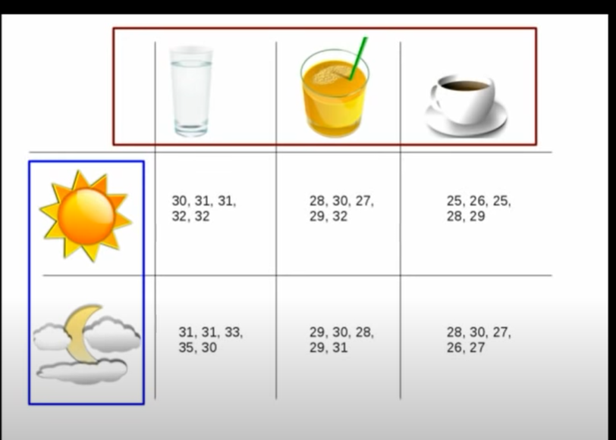

Ref: https://www.youtube.com/watch?v=ITf4vHhyGpc

