Correlation
Hospital | Revenue (x) | Profit (y)
1 | 7 | 0.15
2 | 2 | 0.1
3 | 6 | 0.13
4 | 4 | 0.15
5 | 14 | 0.25
6 | 15 | 0.27
7 | 16 | 0.24
8 | 12 | 0.2
9 | 14 | 0.27
10 | 20 | 0.44
11 | 15 | 0.34
12 | 7 | 0.17
Total | 132 | 2.71

 |  |  | Correlation | 0.91666569864

 |  |  |  |  | 0.91666569864

Anova 4
Water | Fruit juice | Coffee
29 | 28 | 25
30 | 29 | 28
31 | 27 | 29
31 | 30 | 27
29 | 29 | 29

 |  |  | Anova: Single Factor

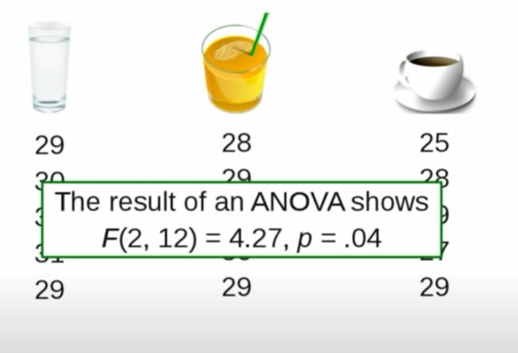
 |  |  | SUMMARY
 |  |  | Groups | Count | Sum | Average | Variance
 |  |  | Column 1 | 5 | 150 | 30 | 1
 |  |  | Column 2 | 5 | 143 | 28.6 | 1.3
 |  |  | Column 3 | 5 | 138 | 27.6 | 2.8

 |  |  | ANOVA
 |  |  | Source of Variation | SS | df | MS | F | P-value | F crit
 |  |  | Between Groups | 14.533333333 | 2 | 7.2666666667 | 4.2745098039 | 0.039658915777 | 3.8852938347
 |  |  | Within Groups | 20.4 | 12 | 1.7

 |  |  | Total | 34.933333333 | 14

